Sheet1
id | Summary | Description | STR | Actual result | Expected result | Severity | Priority | Attached
1 | There is ability to add new employee without email address |  | 1.Go to the link https://qatest-25939.firebaseapp.com 2. Fill in the following fields with the valid values: Name (e.g. John), Salary(e.g. 1000), Position( Other) 3. Leave 'Email' field an empty 4.Click the *add* button on *new employee* box section | 4.New employee will be added without email | 3. The web application should add a new employee with all filled fields in *all empolyees* box* 4. "You have to enter an email" validation for 'Email' field should be appeared 5. The 'Add' button is dissapeared | High | High | 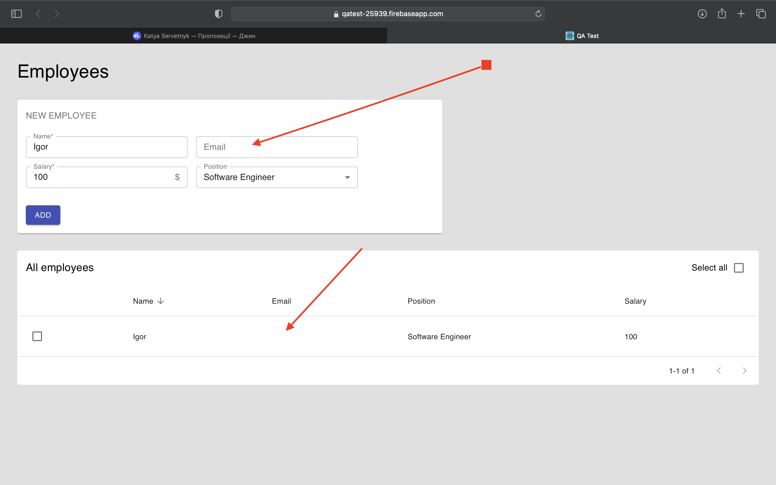
2 | There is no size/length validation for the 'Salary' field | User can enter more than 15 symbols to the 'Salary' field. Values will be mixed after entering of 16th symbol | 1. Enter value consists of 16 numbers 2. Fill in the *Salary* line 17th numbers | 1. 'Salary' field contains 16 symbols | 1. 'Possible no more 10 numbers' validation is displayed. | High | High | 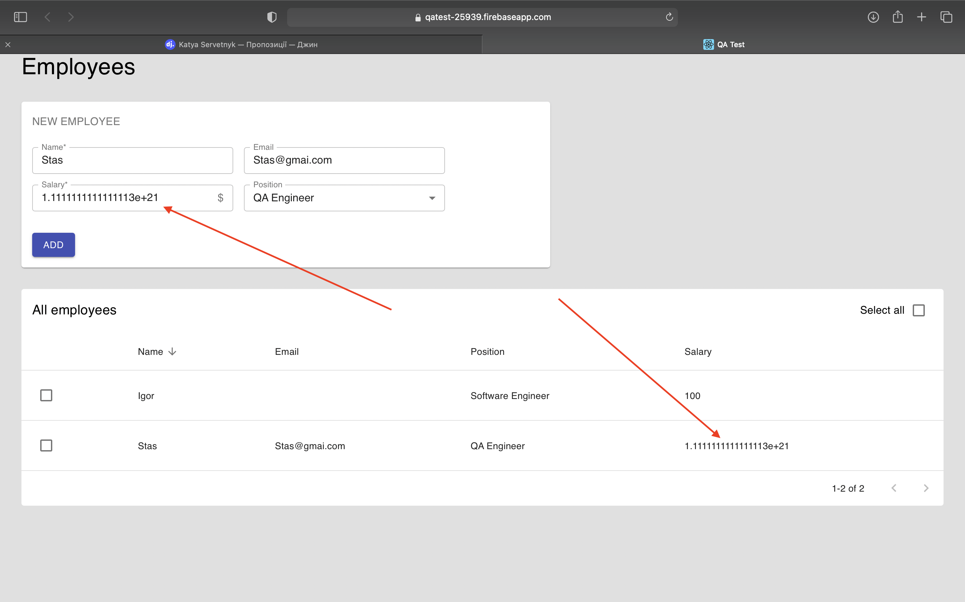
3 | There is ability to enter Cyrillic into 'Email' field |  | 1.Go to the link https://qatest-25939.firebaseapp.com 2. Fill all fields except *email* 3.Click *add* the button on *new employee* box | 3. There is ability to add new employee with email consists of cyrillic | 3. There is validation that The *email* address contains only Latin symbols | low | Medium | 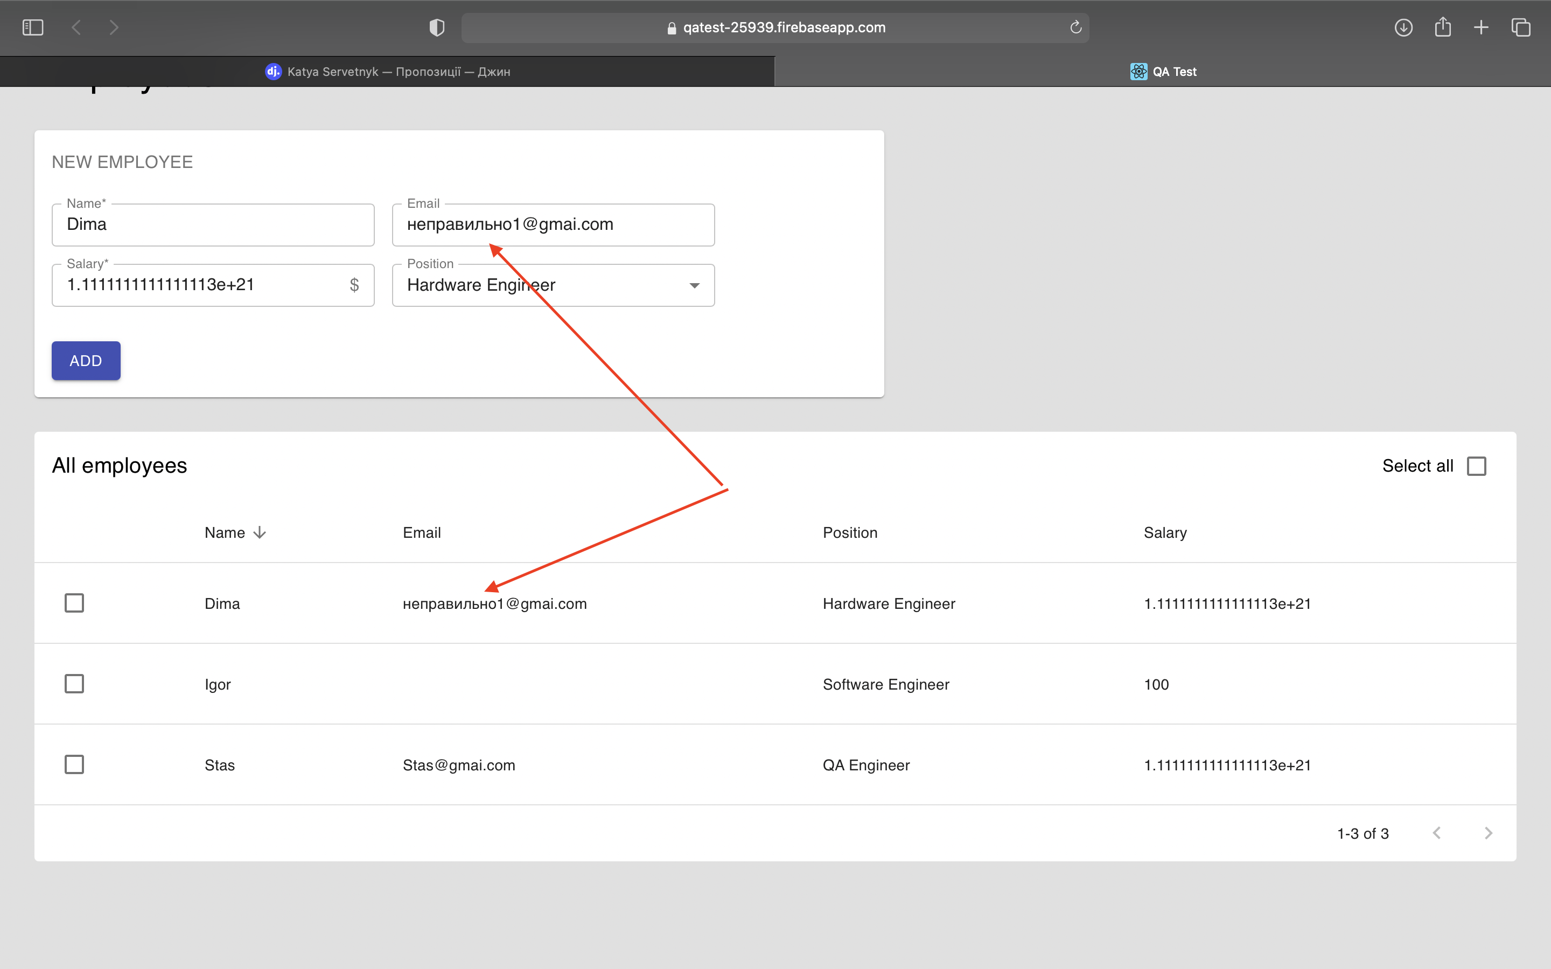
4 | Manually entered Position information will be not saved In case of selecting 'Other' position value |  | 1.Go to the link https://qatest-25939.firebaseapp.com 2. Fill all fields except *email* 3.Click *add* the button on *new employee* box | 4. The *Position* line is not saved when a user save information on *Edit employee* box | 4. The *Position* line should be saved when a user save information on *Edit employee* box | Hight | Hight | 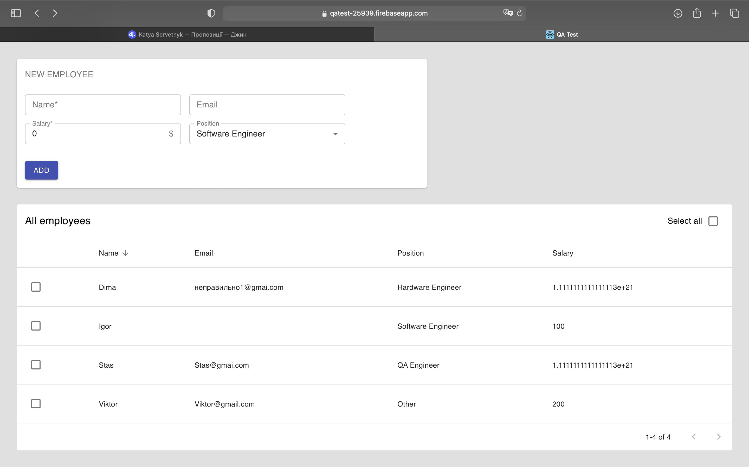 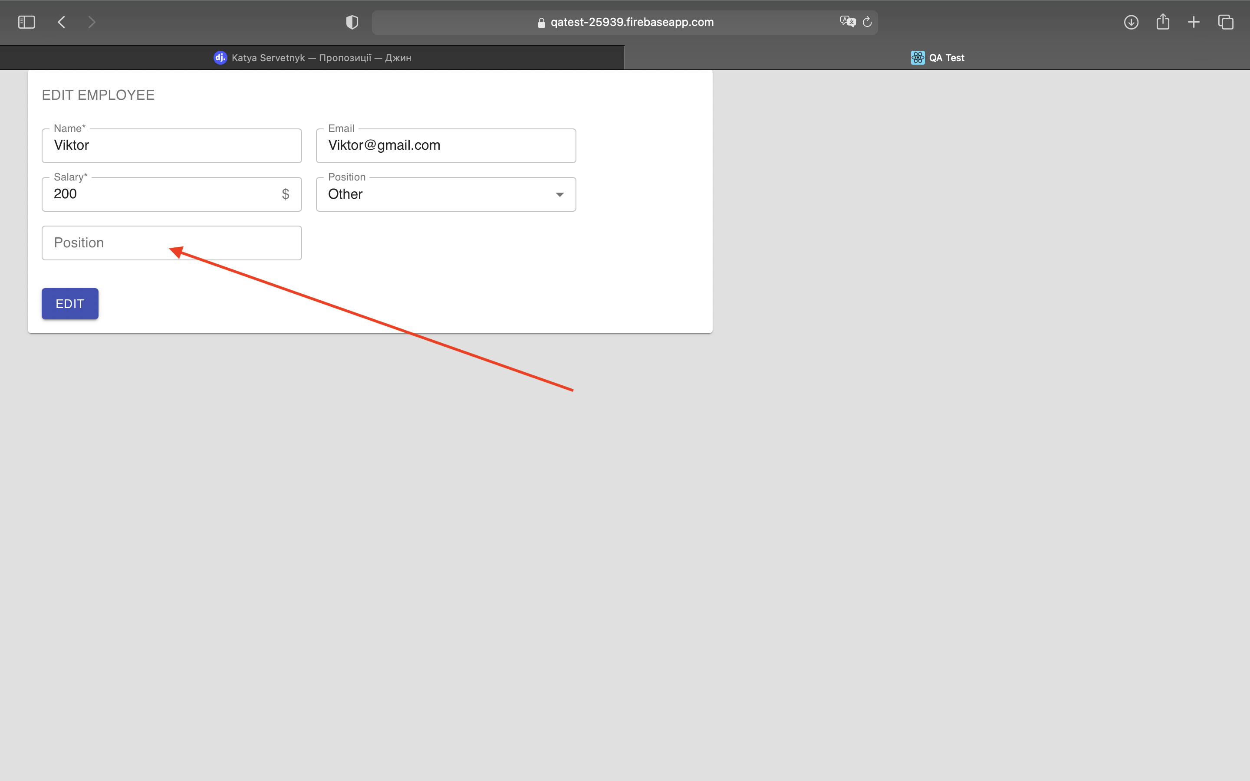
5

